Before Submit
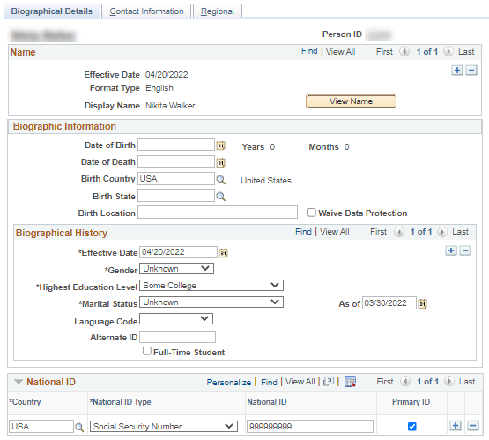
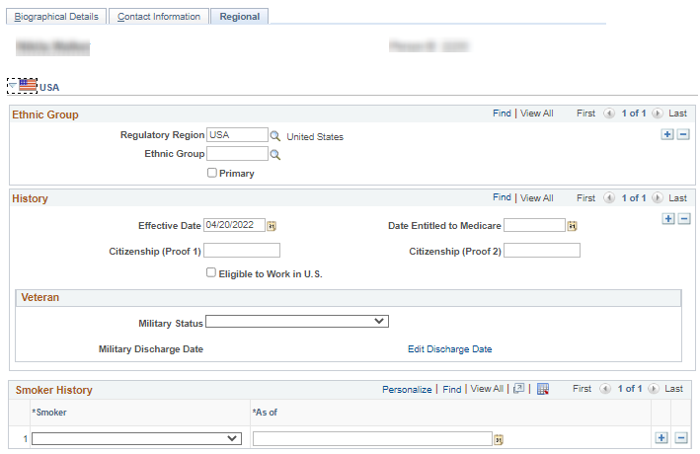

Sheet3
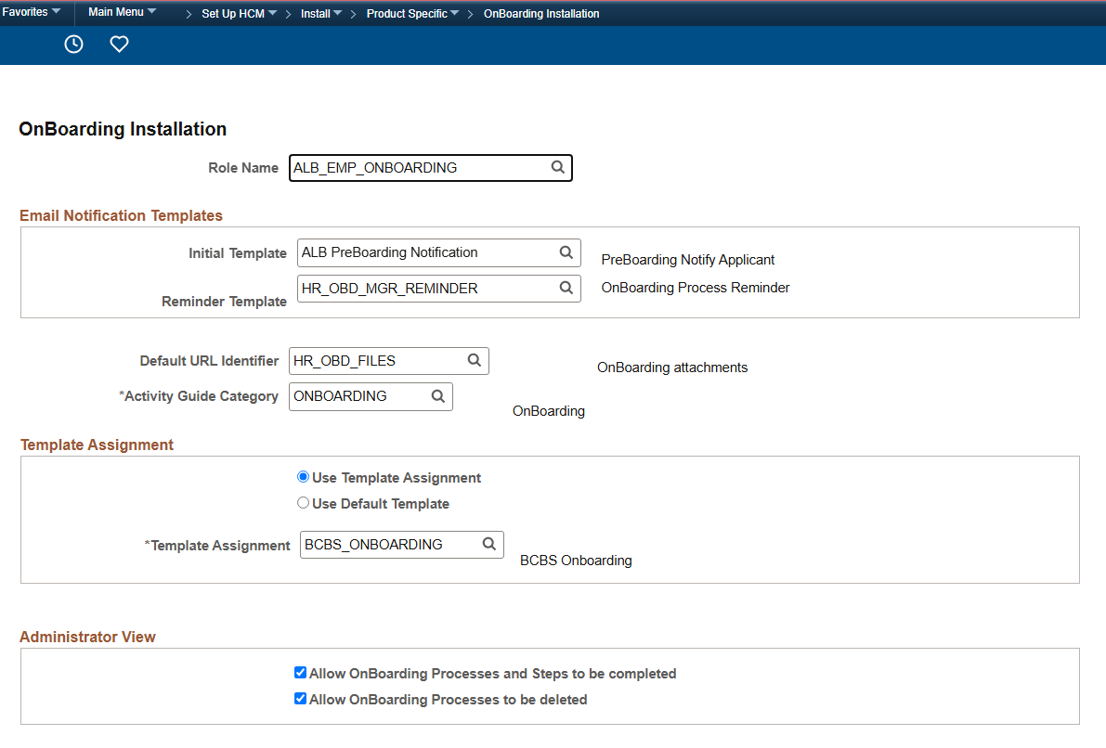
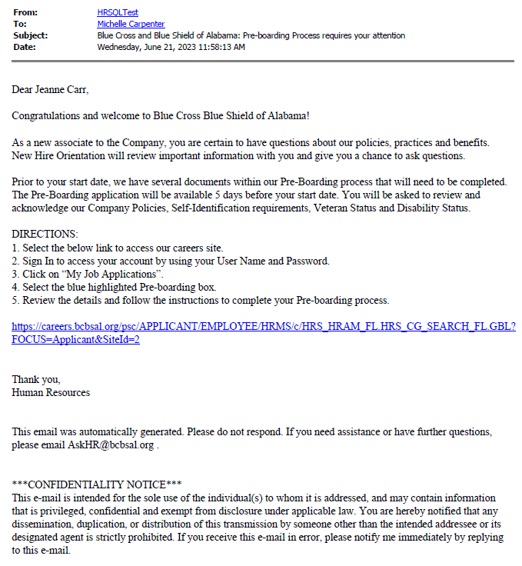
Test Case ID | Requirement ID (s) | Step Number | Description | Expected Result
TC1 |  | 1 | Enable applicant to acknowledge company policies | Display PreBoarding Button in My Job Applications to enable applicant access to PreBoarding component | Based on below custom configuration, we are enabling Preboarding button 5 days before the start date

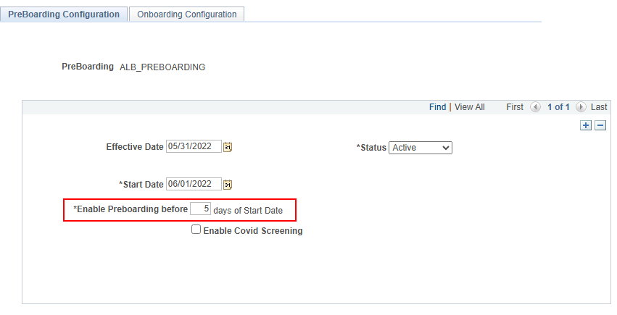

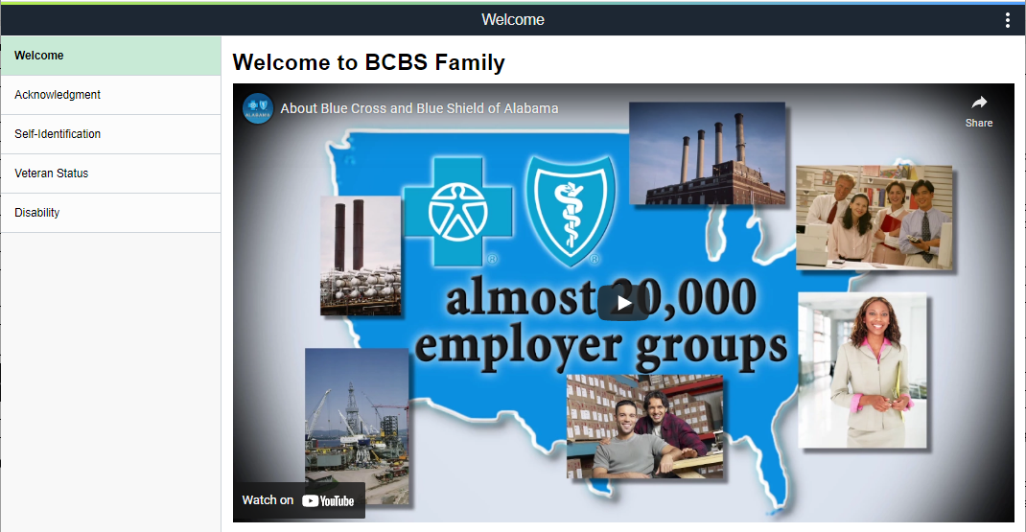

 |  |  |  |  | After Manage hires is keyed, out of Box, notification is sent to employees email to inform them of Onboarding . We overrode the template to let

Sheet4
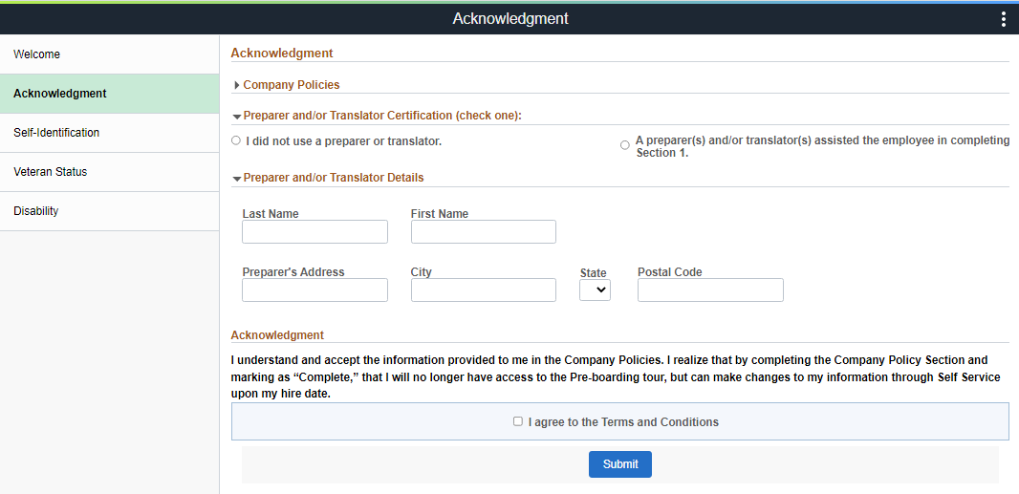
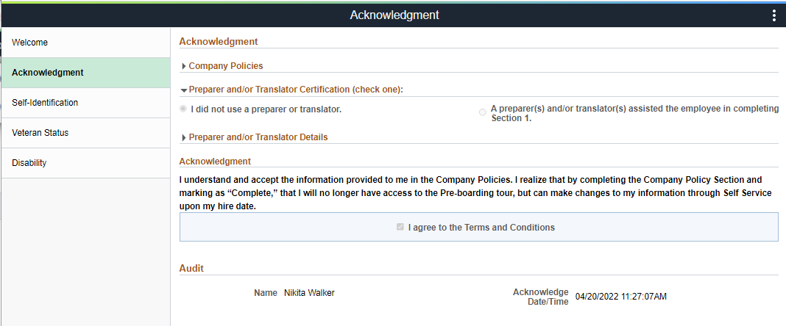
Test Case ID | Requirement ID (s) | Step Number | Description | Expected Result
TC2 |  | 1 | Enable applicant to access and acknowledge company policies | DisplayAcknowledgment section and enable user to enter data
 |  | 2 | Enable applicant to save acknowldgment | Acknowledgment is saved and audit is displayed

Sheet5
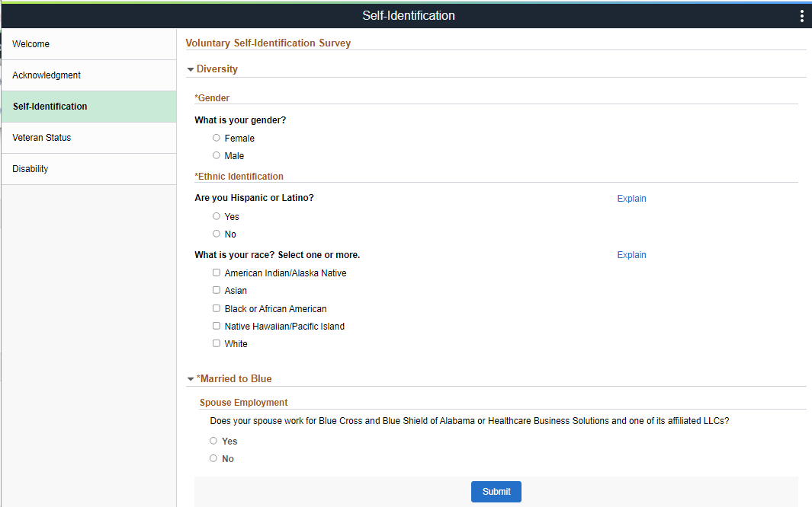
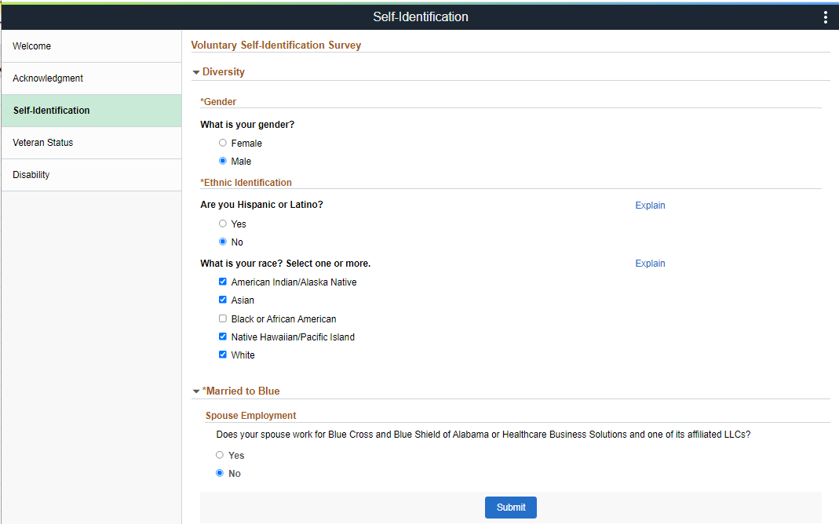
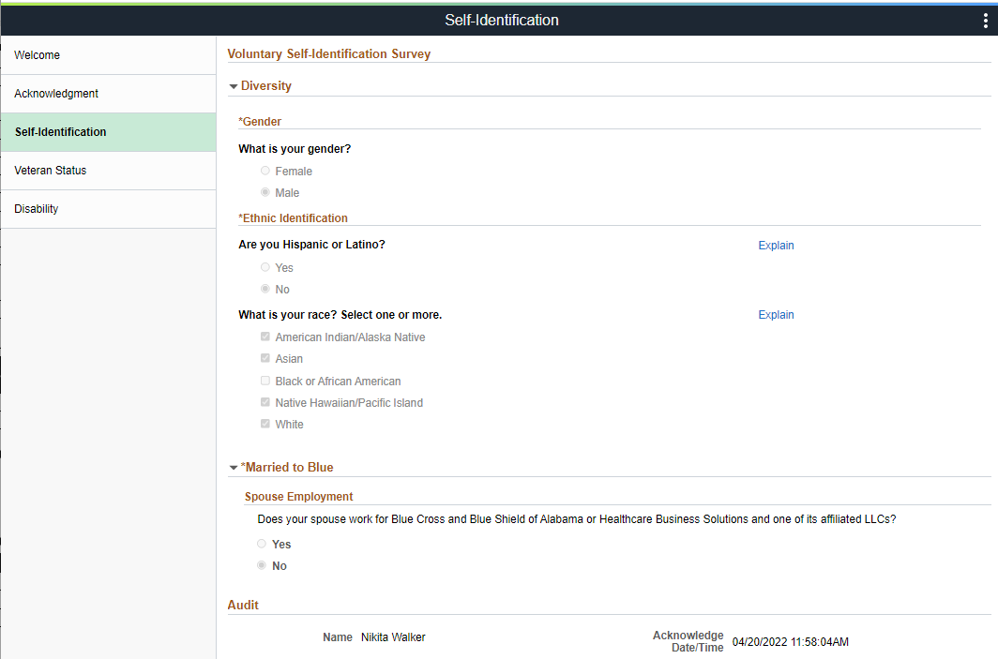
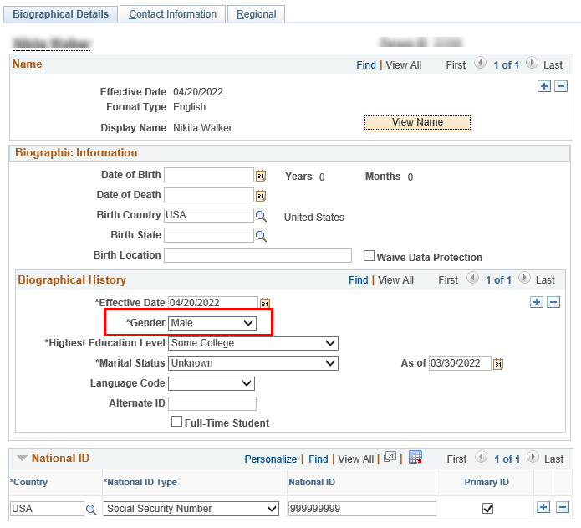
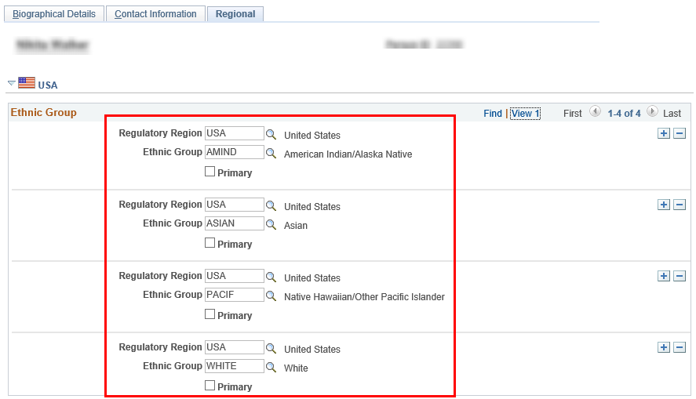
Test Case ID | Requirement ID (s) | Step Number | Description | Expected Result
TC3 |  | 1 | Enable applicant to submit Gender Ethnic Identification and Married to blue information | Display Self-Identification section and enable user to submit information
TC4 |  | 1 | Applicant submits Self-Identification | Self-Identification becomes display only and audit information is captured
 |  | 2 | Information from PreBoarding - Self_identification is synched to Delivered tables | Delivered tables are updated and information can be access via Personal Information and ESS

Sheet6
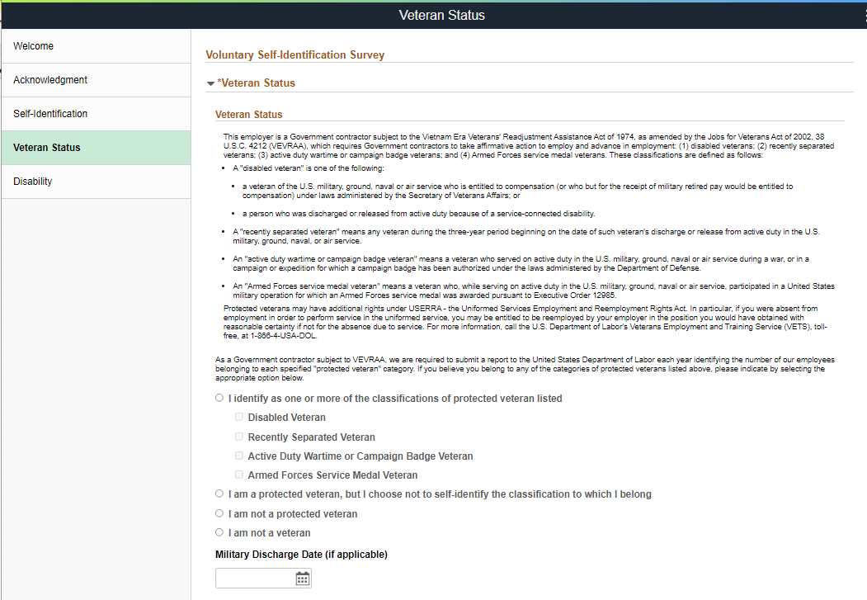
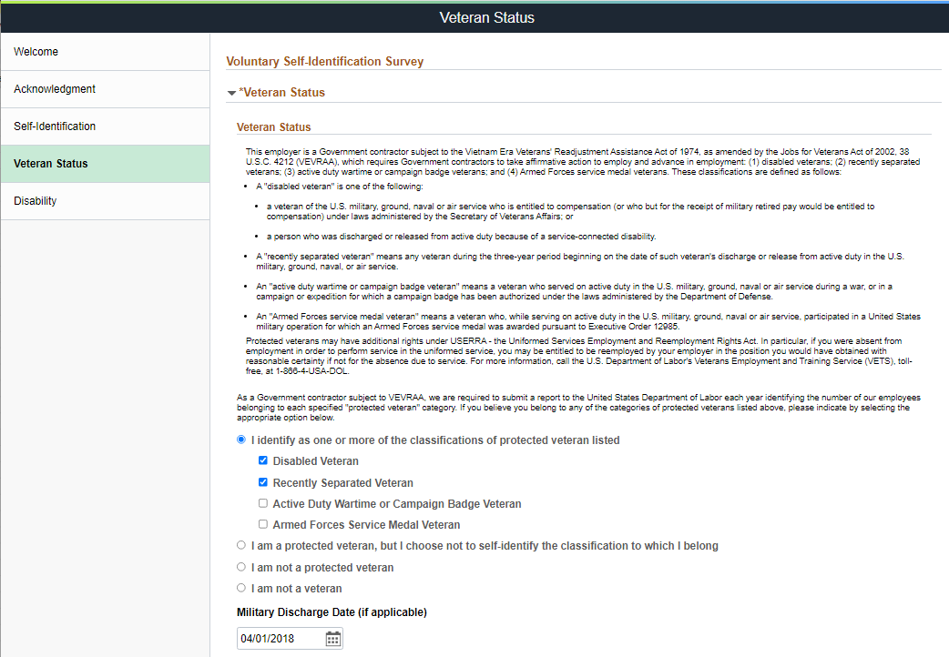
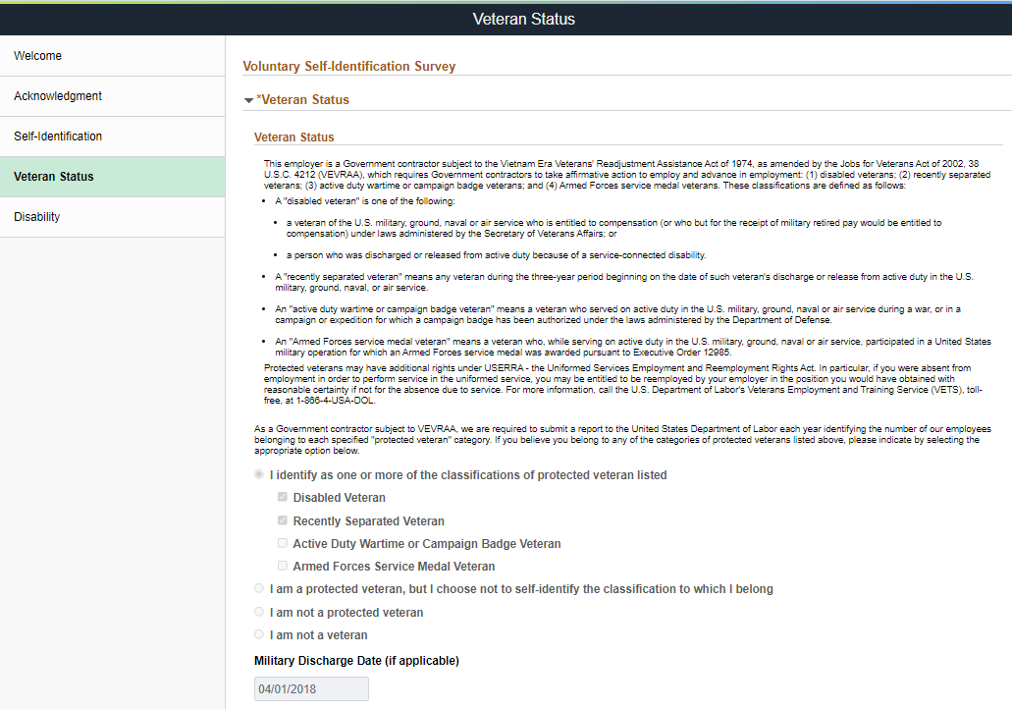
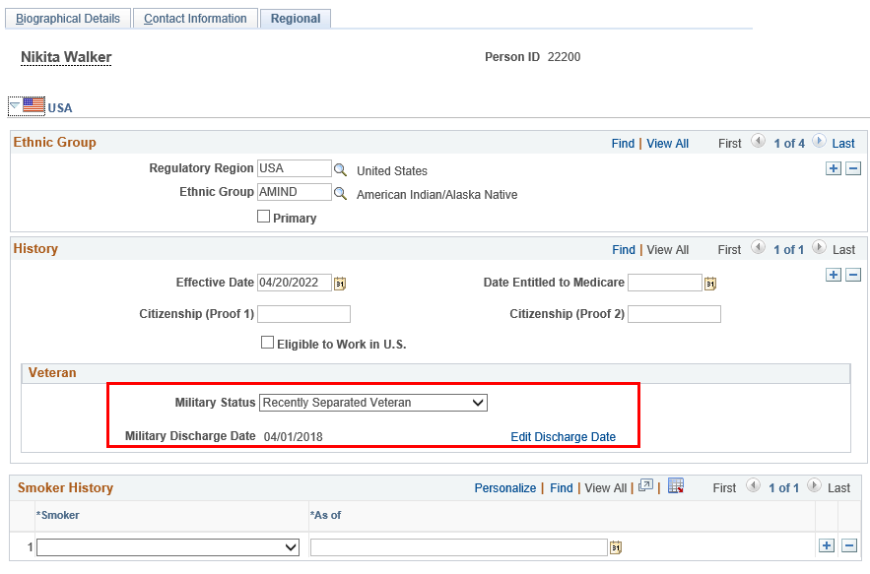
Test Case ID | Requirement ID (s) | Step Number | Description | Expected Result
TC5 |  | 1 | Enable applicant to submit Veteran Status Information | Display Veteran Status section and enable user to submit information
TC6 |  | 1 | Applicant submits Veteran Information | Veteran Status section becomes display only and audit information is captured
 |  | 2 | Information from Veteran Status is synched to Delivered tables | Delivered tables are updated and information can be access via Personal Information and ESS

Sheet7
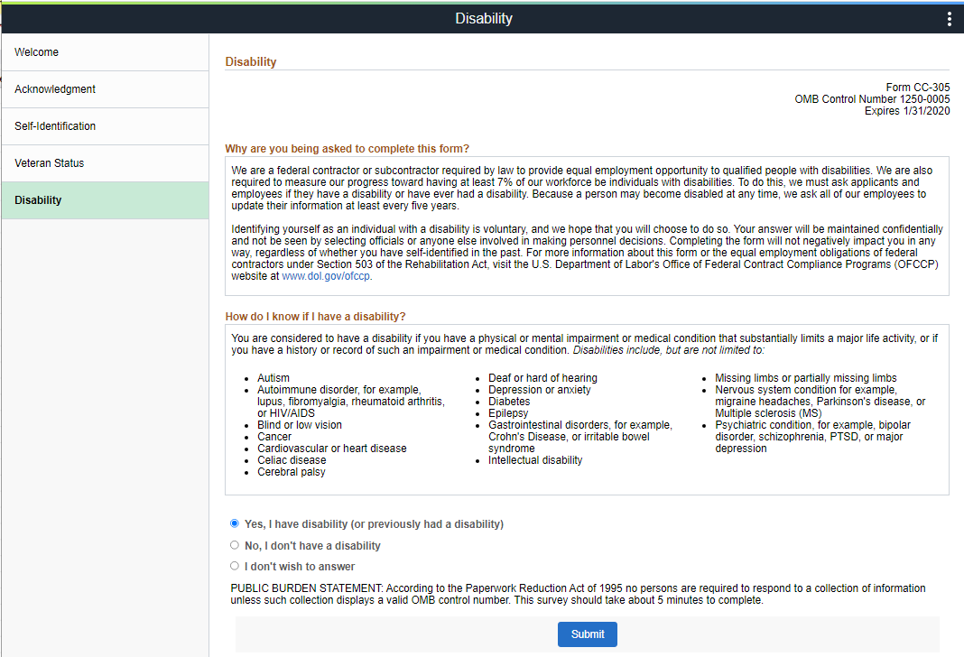
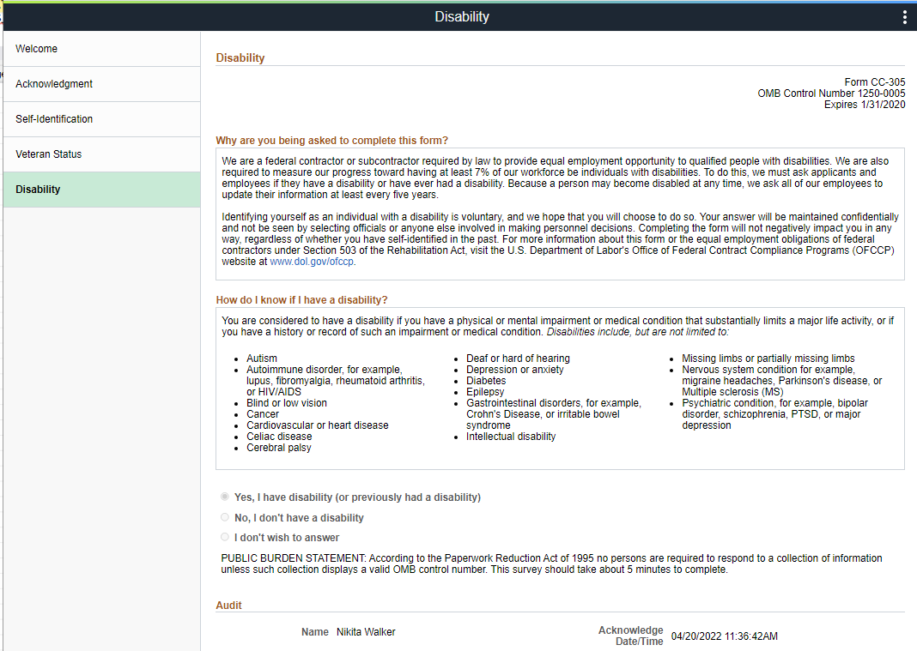
Test Case ID | Requirement ID (s) | Step Number | Description | Expected Result
TC7 |  | 1 | Enable applicant to submit Disability Information | Display Disability section and enable user to submit information
TC8 |  | 1 | Applicant submits Disability Information | Disability section becomes display only and audit information is captured
 |  | 2 | Information from Disability is synched to Delivered tables | Delivered tables are updated and information can be access via Personal Information and ESS

Sheet17
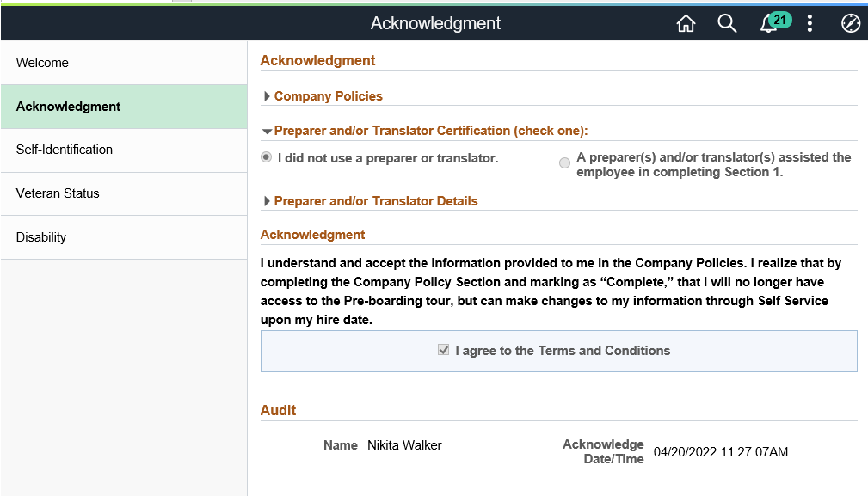
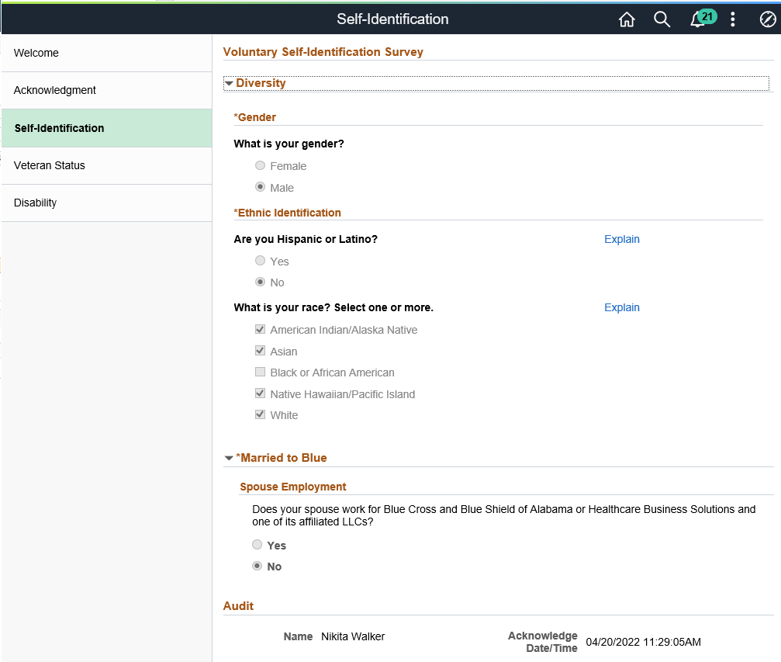
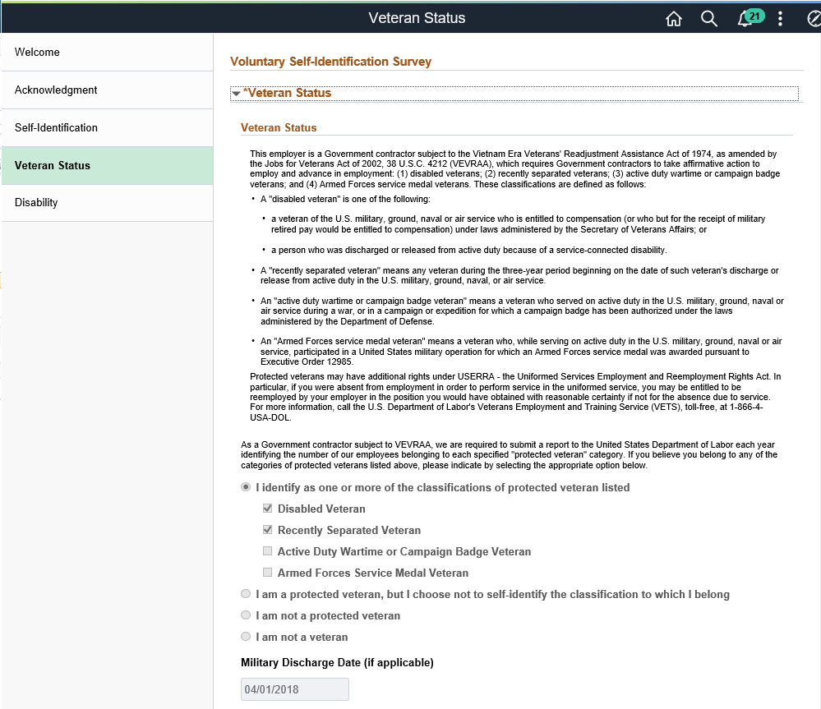
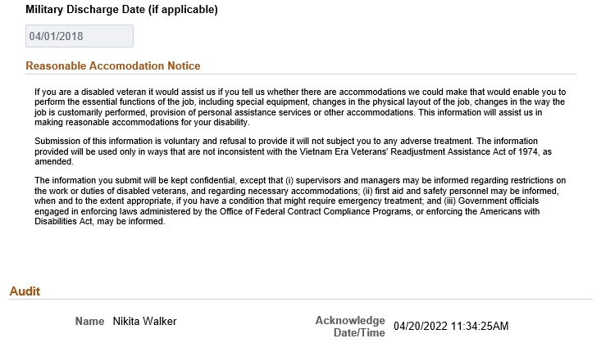
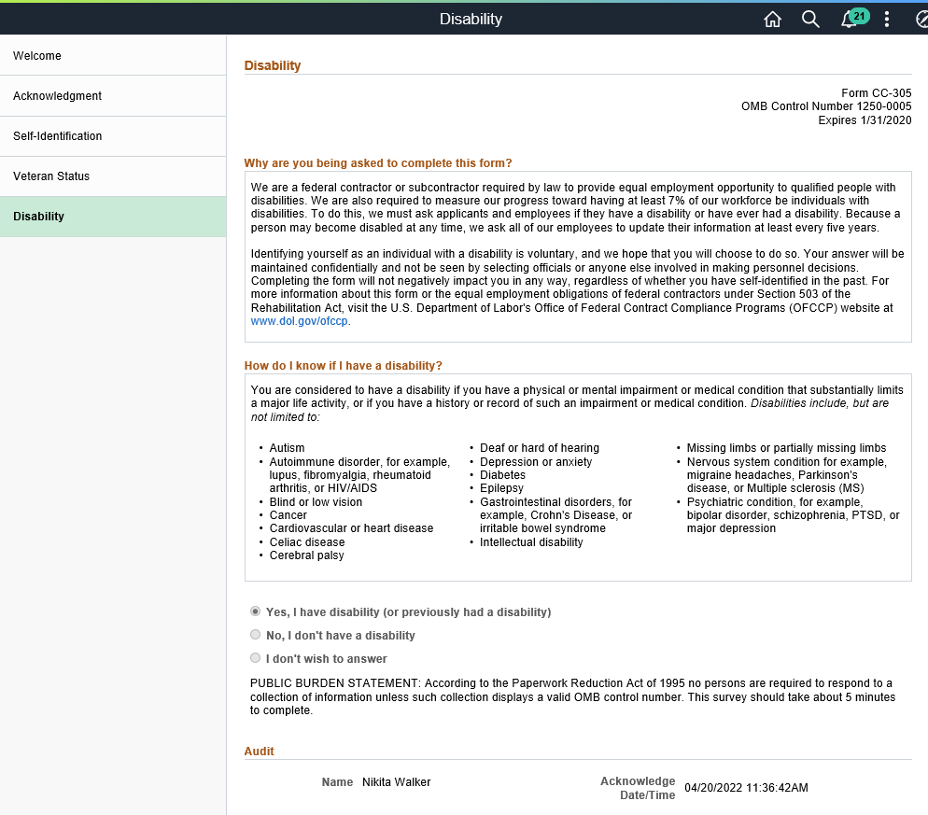
Test Case ID | Requirement ID (s) | Step Number | Description | Expected Result
TC10 |  | 1 | Enable administrators to review preBoarding Information | Administrators can view applicant preBoarding in view Only mode

Sheet18
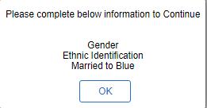
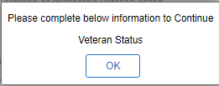
Test Case ID | Requirement ID (s) | Step Number | Description | Expected Result
TC11 |  | 1 | Applicant submits acknowledgement without providing details for preparer section | Display validation message to complete Preparer/ Translator
 |  | 2 | Applicant submits acknowledgement without selecting "I agree" | Display validation message to select "I Agree" checkbox
 |  | 3 | Applicant access next step without submitting acknowledgment | Display validation complete Acknowledgment section
TC12 |  | 1 | Applicant Submits Self-Identification without entering details | Display validation message with incomplete sections
TC13 |  | 1 | Applicant Submits Veteran Status without entering details | Display validation message with to select a value for veteran status
 |  | 2 | Applicant Submits Veteran status without selecting classification | Display validation message indicating to select a classification
TC14 |  | 1 | Applicant submits disability section without selecting value for disablity | Display validation message with to select a value for disability

